Team Score
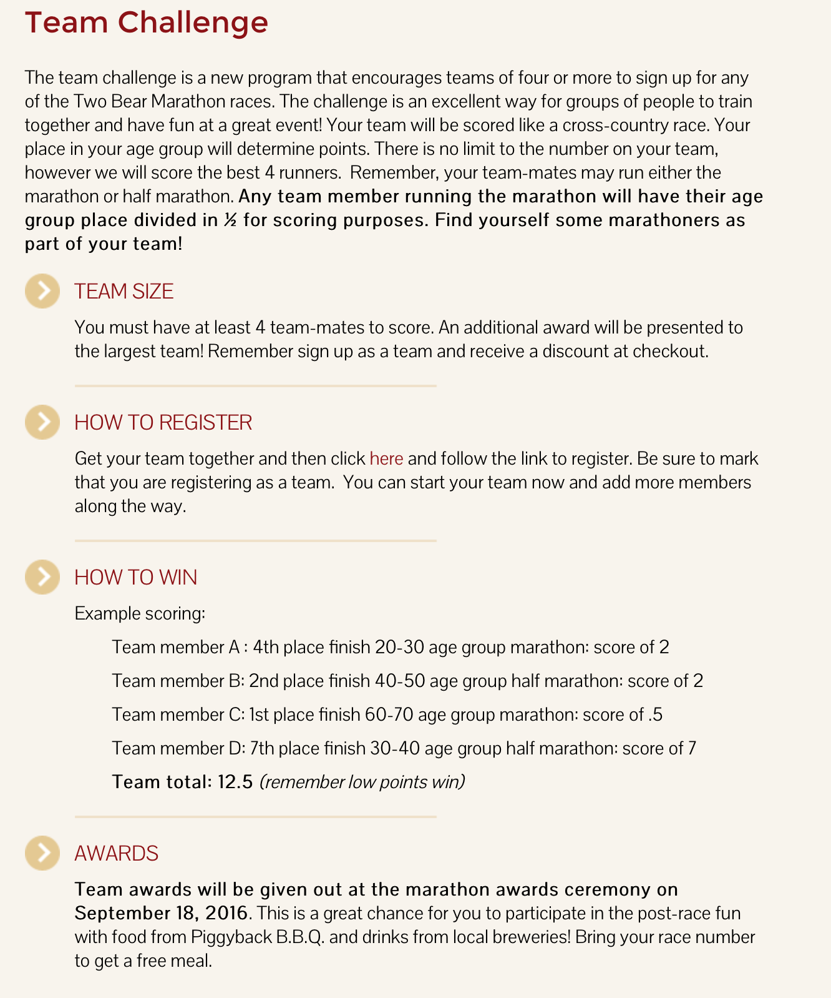
2016 Two Bear Team Score

Team | # on Team | Score
ZooCrew | 5 | 30
The Rangers | 6 | 47
The Bakkeneers | 4 | 14

Name | Team | Division | Place | Score
Katie McKay | ZooCrew | Half Marathon | 1 | 1
Drew Adams | ZooCrew | Half Marathon | 5 | 5
Liz Doherty | ZooCrew | Half Marathon | 10 | 10
Alaina Cole | ZooCrew | Half Marathon | 14 | 14
Allie Schroeder | ZooCrew | Half Marathon | 22 | 22
Eric Voboril | The Rangers | Half Marathon | 2 | 2
Seth King | The Rangers | Full Marathon | 12 | 6
Amanda Wilson | The Rangers | Half Marathon | 19 | 19
Rebecca Merritt | The Rangers | Half Marathon | 20 | 20
Wendy Cole | The Rangers | Half Marathon | 23 | 23
Lauren Alley | The Rangers | Half Marathon | 42 | 42
Eliel Lafavor | The Bakkeneers | Full Marathon | 1 | 0.5
Daniel Swanson | The Bakkeneers | Full Marathon | 8 | 4
Joshua Johnson | The Bakkeneers | Full Marathon | 9 | 4.5
Matt McQuown | The Bakkeneers | Full Marathon | 10 | 5
Sukhyung Shin | Sandy Eggos | Half Marathon | 1 | 1
Erin Rist | Sandy Eggos | Full Marathon | 4 | 2
Michelle Abbey | Sandy Eggos | Half Marathon | 29 | 29
Linda Mikado | Run Like a girl | Half Marathon | 3 | 3
Stephanie McNabb | Run Like a girl | Half Marathon | 9 | 9
Nancy Peter | Run Like a girl | Half Marathon | 19 | 19
Caleb Odenbach | CCE | Half Marathon | 9 | 9
Erin Cox | CCE | Half Marathon | 40 | 40
Caleb Deitz | Big Barn | Full Marathon | 1 | 0.5

